Dashboard
FNOMO LIVE PIPELINE DASHBOARD
Connected to FNOMO_MASTER_PIPELINE + WHATSAPP_CA_LEADS. Current progress refreshed by Codex on 2026-05-02.
Total Leads |  |  |  | Contacted |  |  | Tier A Pending |  |  | Follow-ups Due May 4
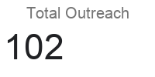 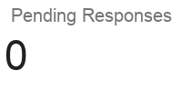 18500% |  |  |  | 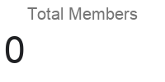 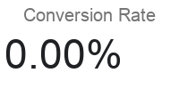 99 |  |  | 21 |  |  | 53

New |  |  |  | Active |  |  | Waiting |  |  | Contacted Today
86 |  |  |  | 120 |  |  | 65 |  |  | 47

Status Overview |  |  |  |  | Phase Performance |  |  |  |  | Owner Accountability
Status | Count | Share | Target Signal | Health | Phase | Open | Done | Completion % | Reading | Owner | Open | Done | Share of Open | Reading
Not Started |  |  | Watch |  | Phase 1 |  |  |  |  | Kush
In Progress |  |  | Stable |  | Phase 2 |  |  |  |  | Indu
Waiting |  |  | Attention |  | Phase 3 |  |  |  |  | Codex
Blocked |  |  | Attention |  | Phase 4 |  |  |  |  | Shared
Done |  |  | Stable |  | Phase 5
 |  |  |  |  | Phase 6

Priority Focus Board |  |  |  |  |  |  |  | Blocked / Waiting Watchlist
Task |  |  | Priority |  |  |  |  | Task |  | Priority

Status Mix
Phase Movement

